MASTER
CALL STATUS | DIALED NUMBER | L1 Call Mode A | L2 Call Mode A | L1 Call Mode B | L2 Call Mode B |  | Color Marker
All | All | All | All | All | All |  | All
System_A | Channel_A | UE_A | IMEI_A | IMSI_A |  |  | Filtered
All | All | All | All | All |  |  |  | All
System_B | Channel_B | UE_B | IMEI_B | IMSI_B
All | All | All | All | All
Year | Month | Week | Day | Hour
All | All | All | All | All
G_Level_1 | G_Level_2 | G_Level_3 | G_Level_4 | G_Level_5 | Region | Vendor
All | All | All | All | All | All | All

Classic Call - Completed Call Ratio [%]
Key Performance Indicators
Classic Calls | Operator1 | Operator2 | Operator3 | Low Threshold | High Threshold
Call Attempts | 0 | 0 | 0
Failed Calls Count | 0 | 0 | 0
Dropped Calls Count | 0 | 0 | 0
Completed Calls Count | 0 | 0 | 0
Call Setup Success Ratio | 0.00% | 0.00% | 0.00% | 90.000 % | 99.000 %
Dropped Call Ratio | 0.00% | 0.00% | 0.00% | 5.000% | 0.400%
Classic Call - Call Setup Time - Average [s]
Completed Call Ratio | 0.00% | 0.00% | 0.00%
MIN CST | 0.00 [s] | 0.00 [s] | 0.00 [s]
Avg CST | 0 | 0 | 0 | 15.000 [s] | 5.500 [s]
MAX CST | 0.00 [s] | 0.00 [s] | 0.00 [s]
CST 10 PCTL | 0 | 0 | 0
Median CST | 0 | 0 | 0
CST 90 PCTL | 0 | 0 | 0
Call Setup Time > 15 s count | 0 | 0 | 0
Call Setup Time <= 15 s count | 0 | 0 | 0
Bad CST Ratio (> 15 s) | 0.00% | 0.00% | 0.00% | 3.000% | 0.250%
Classic Call - VoLTE Call Mode [%]
VoLTE to VoLTE Call Start Mode Count | 0 | 0 | 0
VoLTE to VoLTE Call End Mode Count | 0 | 0 | 0
Device A VoLTE Call Mode Count | 0 | 0 | 0
Device B VoLTE Call Mode Count | 0 | 0 | 0
VoLTE to VoLTE Call Start Mode Ratio | 0.00% | 0.00% | 0.00%
VoLTE to VoLTE Call End Mode Ratio | 0.00% | 0.00% | 0.00%
VoLTE Call Mode Share | 0.00% | 0.00% | 0.00% | 90.000 % | 99.000 %
Device A CSFB Call Mode Count | 0 | 0 | 0
Device B CSFB Call Mode Count | 0 | 0 | 0
CSFB Call Mode Share | 0.00% | 0.00% | 0.00%
WhatsApp - Completed Call Ratio [%]
WhatsApp Calls | Operator1 | Operator2 | Operator3 | Low Threshold | High Threshold
Call Attempts | 0 | 0 | 0
Failed Calls Count | 0 | 0 | 0
Dropped Calls Count | 0 | 0 | 0
Completed Calls Count | 0 | 0 | 0
Call Setup Success Ratio | 0.00% | 0.00% | 0.00% | 90.000 % | 99.000 %
Dropped Call Ratio | 0.00% | 0.00% | 0.00% | 5.000% | 0.400%
Completed Call Ratio | 0.00% | 0.00% | 0.00%
MIN CST | 0.00 [s] | 0.00 [s] | 0.00 [s]
WhatsApp - Call Setup Time - Average [s]
Avg CST | 0 | 0 | 0 | 15.000 [s] | 5.500 [s]
MAX CST | 0.00 [s] | 0.00 [s] | 0.00 [s]
CST 10 PCTL | 0 | 0 | 0
Median CST | 0 | 0 | 0
CST 90 PCTL | 0 | 0 | 0
Call Setup Time > 15 s count | 0 | 0 | 0
Call Setup Time <= 15 s count | 0 | 0 | 0
Bad CST Ratio (> 15 s) | 0.00% | 0.00% | 0.00% | 3.000% | 0.250%

KPI Definition
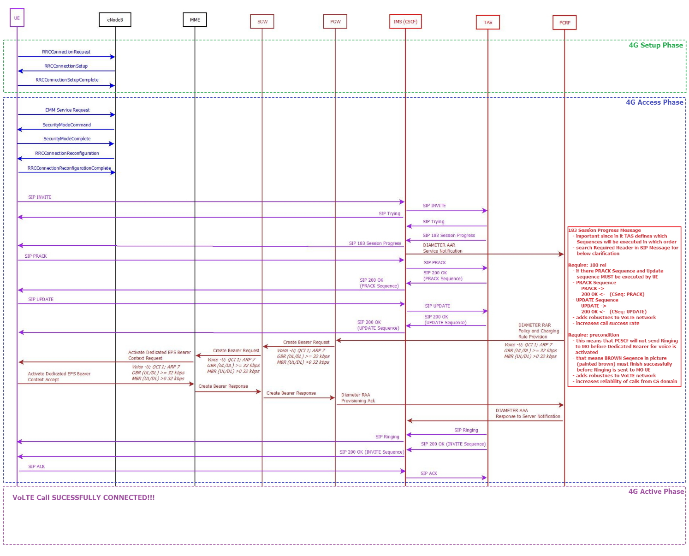
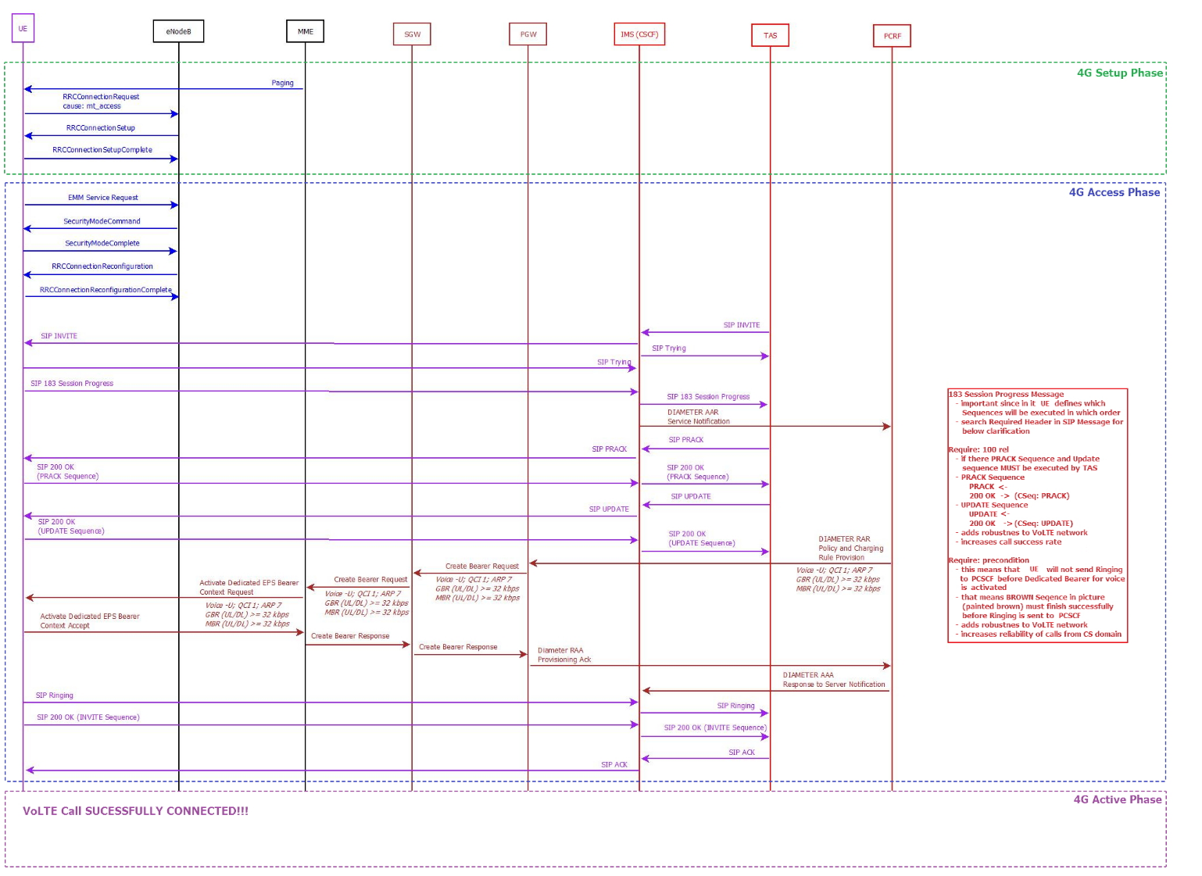
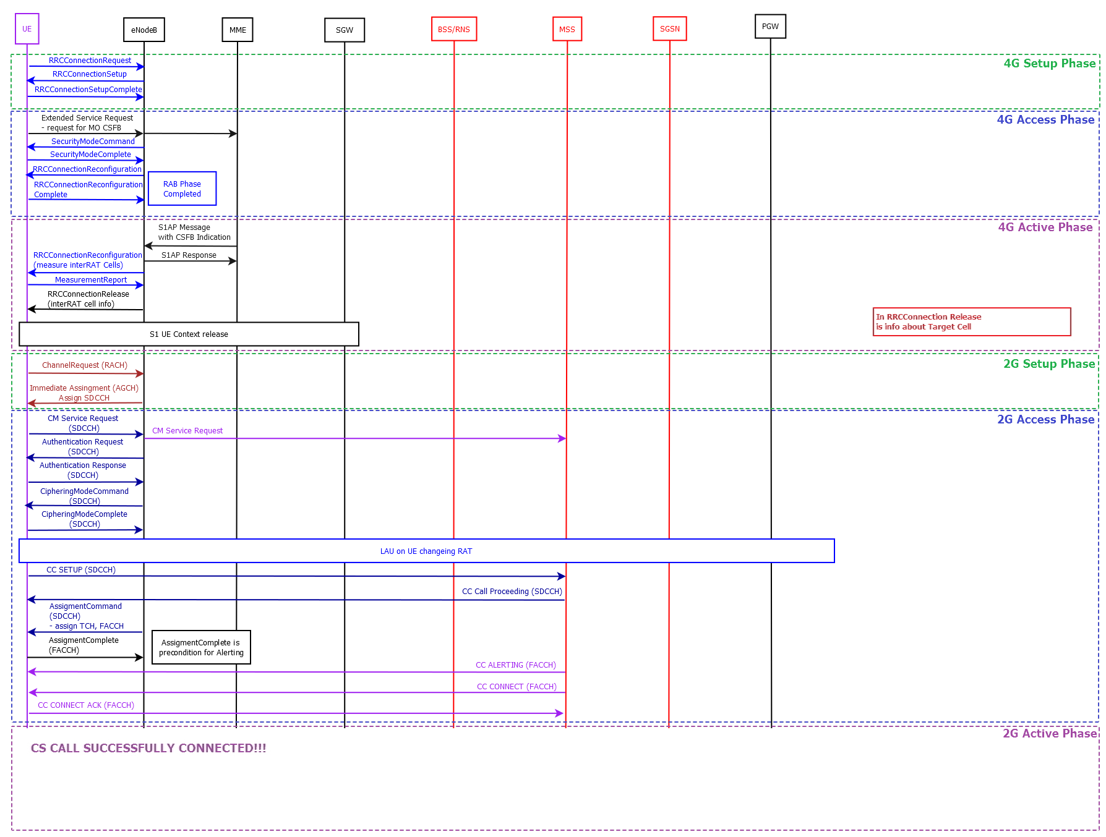
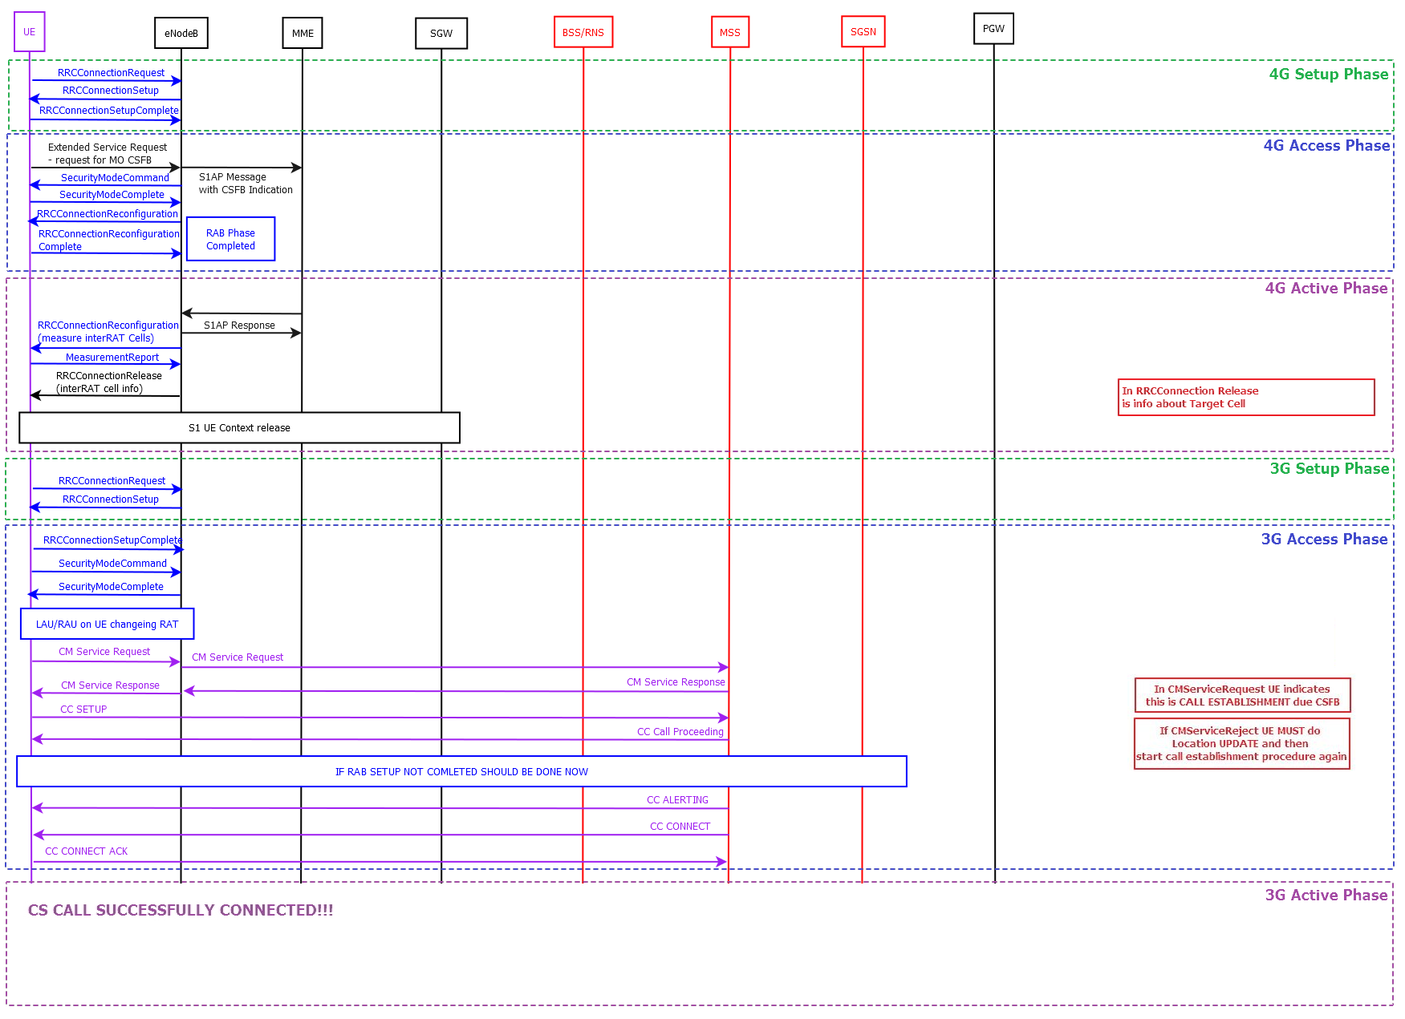
Defintion Key Performance Indicator
D
 | Call Success KPI-s
 | KPI Name | Abbrev. | Unit | Direction | Definition | Abstract Equation | Start Trigger Event | Stop Trigger Event
 | Call Attempts | CA | [#] | Downlink / Uplink | Number of all valid voice call attempts. Absolute number of all voice calls attempts is set to 100 %. | - | - | -
 | Failed Calls Count | FCC | [#] | Downlink / Uplink | Number of voice calls which failed to reach call Active Phase. The criteria for a Failed call is: Start trigger point reached but end trigger point is missing. For definition of Active Phase please refer to Call phases lower in sheet. | - | Dial Trigger | CC Connect Ack SIP Ack
 | Droped Calls Count | DCC | [#] | Downlink / Uplink | Number of voice calls which reached active Phase but failed to clear call succesfully. The criterion for a Dropped call is: Start trigger point reached but end trigger point is missing. For definition of Active Phase please refer to Call phases lower in sheet. | - | CC Connect Ack SIP Ack | CC Disconnect SIP BYE
 | Completed Calls Count | CCC | [#] | Downlink / Uplink | Number of data tests with status «Completed». The criterion for a Completed is: Both start trigger point reached and end trigger point reached. | - | CC Connect Ack SIP Ack | CC Disconnect SIP BYE
 | Call Setup Success Ratio | CSSR | [%] | Downlink / Uplink | Call setup success ratio (CSSR) is the fraction of the attempts to make a call that result in a connection to the dialled number (due to various reasons not all call attempts end with a connection to the dialled number). This fraction is usually measured as a percentage of all call attempts made. | CSSR [%] = (CA - FCC) / CA * 100) [%] | - | -
 | Dropped Call Ratio | DCR | [%] | Downlink / Uplink | Dropped-call ratio (DCR) is the fraction of the telephone calls which, due to technical reasons, were cut off before the speaking parties had finished their conversational tone and before one of them had hung up (dropped calls) This fraction is usually measured as a percentage of all calls. | DCR [%] = DCC / (CA - FCC) * 100) [%] | Test Start | Last packet received / Test End
 | Completed Call Ratio | CCR | [%] | Downlink / Uplink | Completed-call ratio (CCR) is the fraction of the telephone calls which were connected and cleared correctly in regard to all call ateempts. This fraction is usually measured as a percentage of all calls. | TFR [%] = (TFC / AC * 100) [%] | - | -

 | Call Setup Time KPI-s
 | KPI Name | Abbrev. | Unit | Direction | Definition | Abstract Equation | Start Trigger Event | Stop Trigger Event
 | Min Call Setup Time | minCST | [s] | Downlink / Uplink | Lowest CST measured in successfully connected calls. NET CHECK measures CST between Dial and CC: Connect Ack and/or SIP: Ack Trigger points | - | Dial | CC: Connect Ack SIP: Ack
 | Average Call Setup Time | avgCST | [s] | Downlink / Uplink | Averege CST measured in successfully connected calls. NET CHECK measures CST between Dial and CC: Connect Ack and/or SIP: Ack Trigger points | - | Dial | CC: Connect Ack SIP: Ack
 | Max Call Setup Time | maxCST | [s] | Downlink / Uplink | Largest CST measured in successfully connected calls. NET CHECK measures CST between Dial and CC: Connect Ack and/or SIP: Ack Trigger points | - | Dial | CC: Connect Ack SIP: Ack
 | 10 PCTL Call Setup Time | 10pCST | [s] | Downlink / Uplink | CST value bellow which 10% of measured samples in sorted array of CST-s in successfully connected calls. Bellow 10 PCTL CST value 10 % of measured CST-s may be observed. NET CHECK measures CST between Dial and CC: Connect Ack and/or SIP: Ack Trigger points | - | Dial | CC: Connect Ack SIP: Ack
 | 90 PCTL Call Setup Time | 90pCST | [s] | Downlink / Uplink | CST value bellow which 90% of measured samples in sorted array of CST-s in successfully connected calls. Bellow 10 PCTL CST value 90 % of measured CST-s may be observed. NET CHECK measures CST between Dial and CC: Connect Ack and/or SIP: Ack Trigger points | - | Dial | CC: Connect Ack SIP: Ack
 | Median Call Setup Time | 50pCST | [s] | Downlink / Uplink | CST value bellow which 50% of measured samples in sorted array of CST-s in successfully connected calls. Bellow 10 PCTL CST value 50 % of measured CST-s may be observed. NET CHECK measures CST between Dial and CC: Connect Ack and/or SIP: Ack Trigger points | - | Dial | CC: Connect Ack SIP: Ack
 | Call Setup Time > 15 s count | bcCST | [s] | Downlink / Uplink | Count of samples where measured CST was above 15.0 seconds is successfully connected calls. | - | Dial | CC: Connect Ack SIP: Ack
 | Call Setup Time <= 15 s count | gsCST | [s] | Downlink / Uplink | Count of samples where measured CST was bellow of equal 15.0 seconds is successfully connected calls. |  | Dial | CC: Connect Ack SIP: Ack
 | Bad Call Setup Time Ratio (> 15s) | brCST | [s] | Downlink / Uplink | Bad Call Setup Time Ratio (> 15s) or brCST is the fraction of the telephone calls which had CST higher than 15.0 s in regard to all successfully connected calls. This fraction is usually measured as a percentage of all calls. | brCST = bcCST/(bcCST + gsCST) * 100 [%] | Dial | CC: Connect Ack SIP: Ack

 | Call Mode related KPIs
 | KPI Name | Abbrev. | Unit | Direction | Definition | Abstract Equation | Start Trigger Event | Stop Trigger Event
 | VoLTE to VoLTE Call Mode Count | CMVVC | [#] | Downlink / Uplink | Number of all calls where both MO and MT sides made VoLTE call based on Call Mode Layer 1 Criteria. If SRVCC in Active Phase was performed, call is still consodered to be VoLTE call as it started in PS domain. | - | - | -
 | VoLTE to VoLTE Call Mode Ratio | CMVV | [#] | Downlink / Uplink | VoLTE to VoLTE Call Mode Ratio is the fraction of the telephone calls where both MO and MT sides made and VoLTE call in regards to all call attempts. If SRVCC in Active Phase was performed, call is still consodered to be VoLTE call as it started in PS domain. This fraction is usually measured as a percentage of all calls. | CMVV = CMVVC / CA * 100%
 | Device A VoLTE Call Mode Count | CMVa | [#] | Downlink / Uplink | Number of calls where A Side side made VoLTE call based on Call Mode Layer 1 Criteria. If SRVCC in Active Phase was performed, call is still consodered to be VoLTE call as it started in PS domain. | -
 | Device B VoLTE Call Mode Count | CMVb | [#] | Downlink / Uplink | Number of calls where B Side side made VoLTE call based on Call Mode Layer 1 Criteria. If SRVCC in Active Phase was performed, call is still consodered to be VoLTE call as it started in PS domain. | -
 | VoLTE Call Mode Ratio | CMV | [#] | Downlink / Uplink | VoLTE Call Mode Ratio is the fraction of the telephone calls where MO or MT sides made VoLTE call in regards to all MO or MT call attempts. If SRVCC in Active Phase was performed, call is still consodered to be VoLTE call as it started in PS domain. This fraction is usually measured as a percentage of all calls. | CMV = 0.5*(CMVa+CMVb) / CA * 100%
 | Device A CSFB Call Mode Count | CMCFa | [#] | Downlink / Uplink | Number of calls where A Side side made CSFB call based on Call Mode Layer 1 Criteria. | -
 | Device B CSFB Call Mode Count | CMCFb | [#] | Downlink / Uplink | Number of calls where B Side side made CSFB call based on Call Mode Layer 1 Criteria. | -
 | CSFB Call Mode Ratio | CMCF | [#] | Downlink / Uplink | SCFB Call Mode Ratio is the fraction of the telephone calls where MO or MT sides made CSFB call in regards to all MO or MT call attempts. This fraction is usually measured as a percentage of all calls. | CMCB = 0.5*(CMCBa+CMCBb) / CA * 100%

Voice Call Phases

